Herpetology
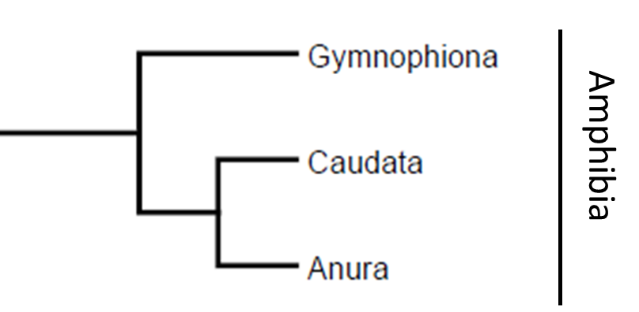
General "game" | category | character 1 | character 2 | character 3 | character 4
Amphibian Orders Phylogeny | Taxonomic names | Amphibia | Gymnophiona | Anura | Caudata
Amphibian Orders Phylogeny | Amphibia synapomorphies | mucous glands | two occipital condyles | ribs do not encircle body | poison glands
Amphibian Orders Phylogeny | Gynophiona synaps | phallodeum | reduced eyes | annuli | sensory tentacles | lack girdles | tail reduced or absent
Amphibian Orders Phylogeny | Caudata synaps | prominent tails | costal grooves | external gills in larvae | four, similar sized limbs
Amphibian Orders Phylogeny | Anura synaps 1 | 9 or less presacral vertebrae | urostyle | astragulus | radioulna
Seems these might be best with just 3 characters per group
Amphibian Orders Phylogeny | Anura synaps 2 | tibiofibula | calcaneum | internal gills in larvae | tailless

Colorado Anura families | Bufonidae | Anaxyrus boreas | Anaxyrus punctatus | Anaxyrus punctatus | Anaxyrus woodhousii
Colorado Anura families | Ranidae | Lithobates blairi | Lithobates catesbeianus | Lithobates pipiens | Lithobates sylvatica
Colorado Anura families | Scaphiophidae | Scaphiopus couchii | Spea bombifrons | Spea intermontana | Spea multiplicata
Colorado Anura families | Hylidae | Acris crepitans | Dryophytes arenicolor | Pseudacris maculata
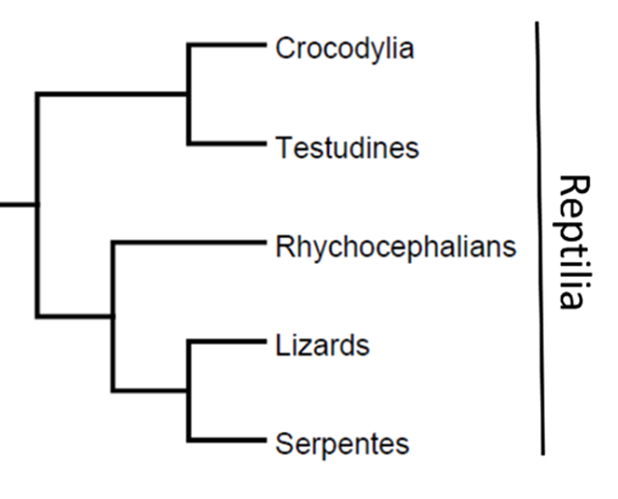

Reptile Orders Phylogeny | Crocodylia | webbed feet | osteoderms | thecodont | large, elongate, flat head
Reptile Orders Phylogeny | Testudines | carapace | keratinous beak | anapsid | girdles inside rib cage
Reptile Orders Phylogeny | Rhynchocephalia | gastralia | parietal eye | extended premaillary "tooth" | cloacal apposition
Reptile Orders Phylogeny | Squamata | hemipenes | vomeronasal organ | femoral/pre-anal glands
Reptile Orders Phylogeny | Serpentes | spectacle | lack external ear opening | > 130 trunk vertebrae | left lung reduced | modified pleurodont dentition

Reptile Anatomy | plastron scutes | gular | humeral | femoral | pectoral | intragular
Reptile Anatomy | carapace scutes | vertebrals | costals | supramarginals | cervical | marginal
Reptile Anatomy | lizard scale types | granular | cycloid | keeled | rectangular
Reptile Anatomy | squamate head scales | rostral | prefrontals | supraocular | infralabial | parietal

Colorado Reptile Taxa | Colorado Turtle genera | Kinosternon | Chelydra | Terrapene | Trachemys | Apalone | Chrysemys
Colorado Reptile Taxa | Colorado Turtle Families | Emydidae | Trionychidae | Kinosternidae | Chelydridae
Colorado Reptile Taxa | Colorado Lizard genera | Holbrookia | Aspidoscelis | Crotaphytus | Uta | Phrynosoma | Sceloporus | Urosaurus | Plestiodon
Colorado Reptile Taxa | Colorado Lizard Families | Teiidae | Scincidae | Phrynosomatidae | Crotaphytidae
Colorado Reptile Taxa | Colorado Snake Families | Viperidae | Colubridae | Leptotyphlopidae
Colorado Reptile Taxa | Colorado Snake genera 1 | Arizona | Coluber | Lampropeltis | Pantherophis
Colorado Reptile Taxa | Colorado Snake genera 2 | Pituophis | Rhinocheilus | Sonora | Tantilla
Colorado Reptile Taxa | Colorado Snake genera 3 | Diadophis | Heterodon | Hypsiglena | Nerodia
Colorado Reptile Taxa | Colorado Snake genera 4 | Thamnophis | Tropidoclonion | Crotalus | Sistrurus

